Sheet1
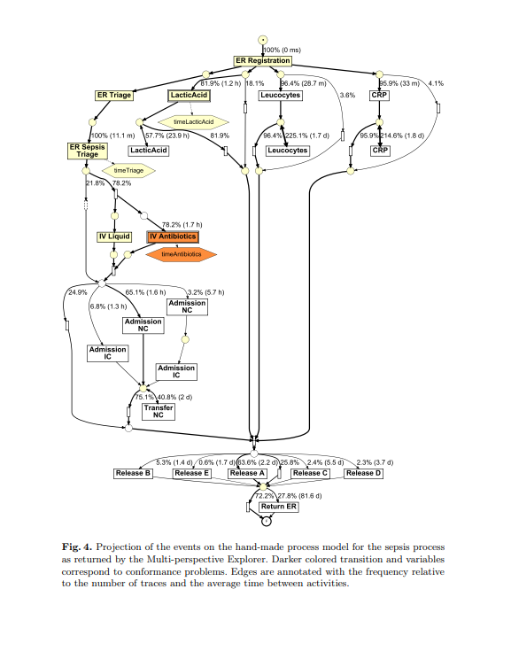
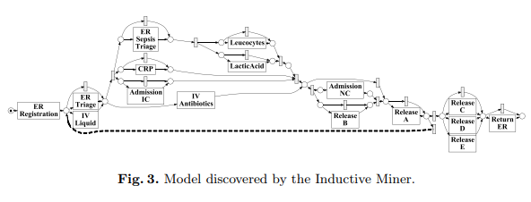
Log |  | θ = 0.7 |  |  |  |  |  | θ = 0.8 |  |  |  |  |  | θ = 0.9
 |  | SwiftMend |  |  | SynonymousLabelRepair |  |  | SwiftMend |  |  | SynonymousLabelRepair |  |  | SwiftMend |  |  | SynonymousLabelRepair
 |  | Precision | Recall | F-Score | Precision | Recall | F-Score | Precision | Recall | F-Score | Precision | Recall | F-Score | Precision | Recall | F-Score | Precision | Recall | F-Score
Sepsis (with SynonymousLabelRepair used ground truth) | Control flow only | 0.25 | 0.33 | 0.28448275862 | 0.2 | 0.33333 | 0.24999906249 | 0 | 0 | 0 | 0.5 | 0.33333 | 0.39999759999 | 0 | 0 | 0 | 0.5 | 0.33333 | 0.4

H(40-30)-l1 | Control flow only | 1 | 0.86 | 0.9247311828 | 0.8 | 0.571428571 | 0.66666666637 | 1 | 0.43 | 0.6013986014 | 1 | 0.428571 | 0.59999958 | 1 | 0.14 | 0.24561403509 | 0 | 0 | 0
H(40-30)-l2 | Control flow only | 1 | 0.83 | 0.90710382514 | 1 | 0.3333333 | 0.4999999625 | 1 | 0.33 | 0.4962406015 | 1 | 0.16666666 | 0.28571427592 | 0 | 0 | 0 | 0 | 0 | 0
H(40-30)-l3 | Control flow only | 1 | 0.83 | 0.90710382514 | 1 | 0.3333333 | 0.4999999625 | 1 | 0.33 | 0.4962406015 | 1 | 0.16666666 | 0.28571427592 | 0 | 0 | 0 | 0 | 0 | 0
H(40-30)-l4 | Control flow only | 1 | 0.5 | 0.66666666667 | 1 | 0.5 | 0.66666666667 | 1 | 0.17 | 0.2905982906 | 0 | 0 | 0 | 0 | 0 | 0 | 0 | 0 | 0
H(40-30)-l5 | Control flow only | 1 | 0.43 | 0.6013986014 | 0.6 | 0.42857142857 | 0.5 | 1 | 0.29 | 0.4496124031 | 1 | 0.42857142 | 0.5999999916 | 1 | 0.14 | 0.24561403509 | 0 | 0 | 0
Average |  | 1 | 0.69 | 0.81656804734 | 0.88 | 0.43333331991 | 0.56666665161 | 1 | 0.31 | 0.47328244275 | 0.8 | 0.238095148 | 0.35428562469 | 0.4 | 0.056 | 0.098245614035 | 0 | 0 | 0
Sepsis (with actual ground truth) | Control flow only | 0.6709 | 0.2097 | 0.3195269816 |  |  |  | 1 | 0.1 | 0.18181818182 |  |  |  | 1 | 0.1 | 0.18

 | windowSize | Not accounted (Offline)
 | delay | Not accounted (Offline)
 | upper causality threshold | 0.8
 | lower causality threshold | 0.7
 | upper parallel threshold | 2
 | lower parallel threshold | 3

 |  | SwiftMend considers number of occurences of control flow relations and update footprint only if enough evidence (stability) is seen, SynonymousLabelRepair does not
 |  | SwiftMend does a multi merge of similar labels and does not merge one to one unlike SynonymousLabelRepair which consider pairs and denote them as similar
 |  | In SwiftMend, in order to be included inside the mergeSet, all members should be having similarity above defined threshold. Otherwise, is not considered similar to at least one member

